Figure 2
Figure 2: UK terrestrial emissions by sector
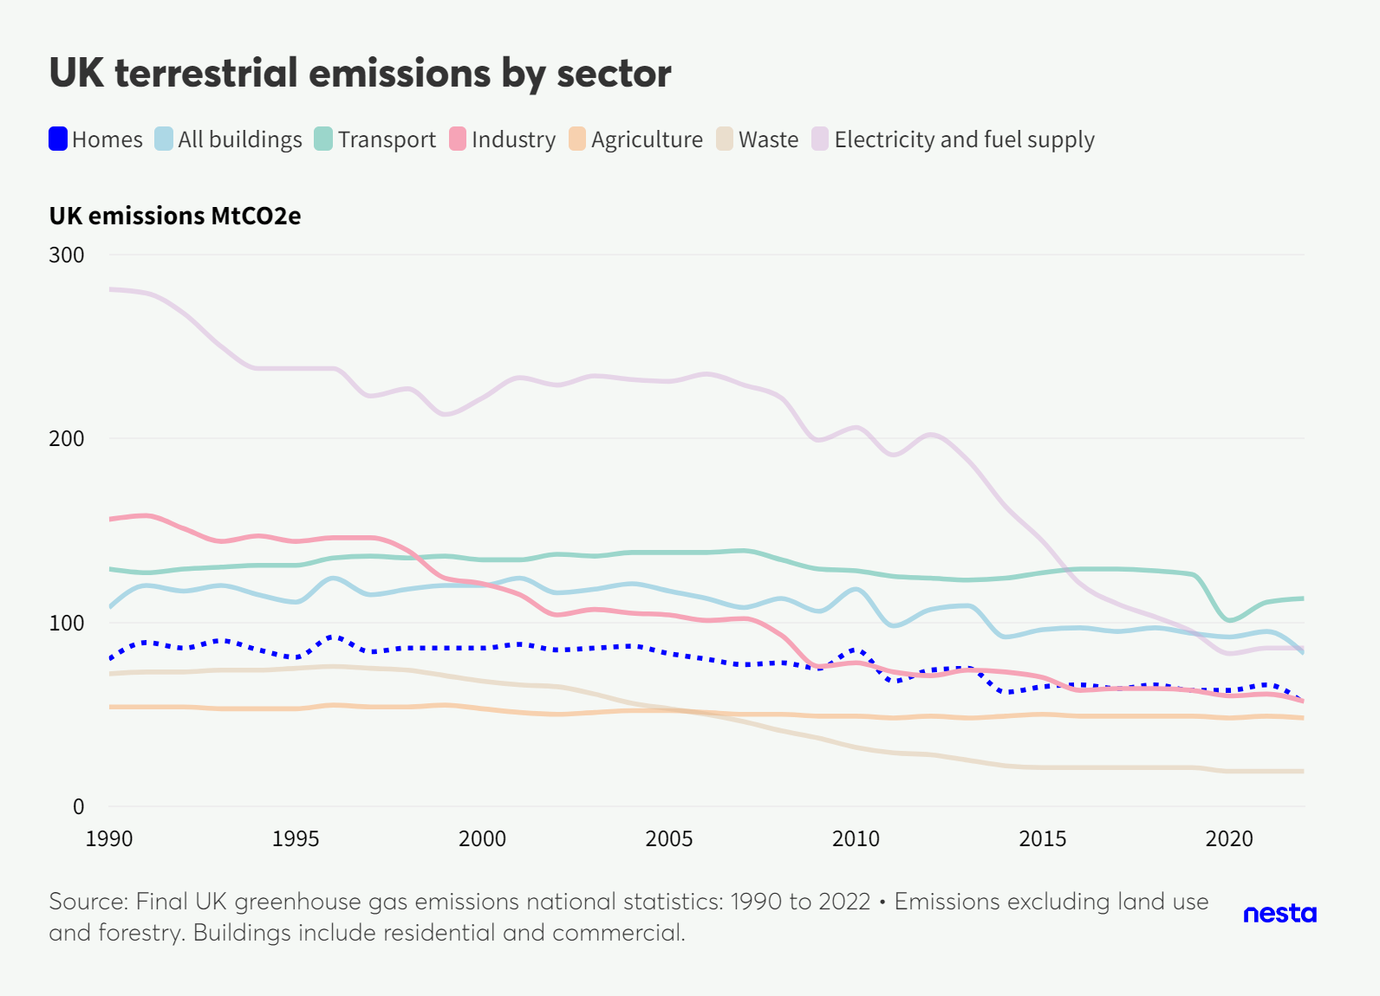

Link to chart
 | Homes | All buildings | Transport | Industry | Agriculture | Waste | Electricity and fuel supply
1990 | 80 | 108 | 129 | 156 | 54 | 72 | 281
1991 | 89 | 120 | 127 | 158 | 54 | 73 | 279
1992 | 86 | 117 | 129 | 151 | 54 | 73 | 268
1993 | 90 | 120 | 130 | 144 | 53 | 74 | 250
1994 | 85 | 115 | 131 | 147 | 53 | 74 | 238
1995 | 81 | 111 | 131 | 144 | 53 | 75 | 238
1996 | 92 | 124 | 135 | 146 | 55 | 76 | 238
1997 | 84 | 115 | 136 | 146 | 54 | 75 | 223
1998 | 86 | 118 | 135 | 139 | 54 | 74 | 227
1999 | 86 | 120 | 136 | 124 | 55 | 71 | 213
2000 | 86 | 120 | 134 | 121 | 53 | 68 | 222
2001 | 88 | 124 | 134 | 115 | 51 | 66 | 233
2002 | 85 | 116 | 137 | 104 | 50 | 65 | 229
2003 | 86 | 118 | 136 | 107 | 51 | 61 | 234
2004 | 87 | 121 | 138 | 105 | 52 | 56 | 232
2005 | 83 | 117 | 138 | 104 | 52 | 53 | 231
2006 | 80 | 113 | 138 | 101 | 51 | 50 | 235
2007 | 77 | 108 | 139 | 102 | 50 | 46 | 229
2008 | 78 | 113 | 134 | 93 | 50 | 41 | 222
2009 | 75 | 106 | 129 | 76 | 49 | 37 | 199
2010 | 85 | 118 | 128 | 78 | 49 | 32 | 206
2011 | 68 | 98 | 125 | 73 | 48 | 29 | 191
2012 | 74 | 107 | 124 | 71 | 49 | 28 | 202
2013 | 75 | 109 | 123 | 74 | 48 | 25 | 188
2014 | 62 | 92 | 124 | 73 | 49 | 22 | 163
2015 | 65 | 96 | 127 | 70 | 50 | 21 | 144
2016 | 66 | 97 | 129 | 63 | 49 | 21 | 121
2017 | 64 | 95 | 129 | 64 | 49 | 21 | 110
2018 | 66 | 97 | 128 | 64 | 49 | 21 | 103
2019 | 63 | 94 | 126 | 63 | 49 | 21 | 95
2020 | 63 | 92 | 101 | 60 | 48 | 19 | 83
2021 | 66 | 95 | 111 | 61 | 49 | 19 | 86
2022 | 56 | 83 | 113 | 57 | 48 | 19 | 86

Source:
Final UK greenhouse gas emissions national statistics: 1990 to 2022

Figure 3
Figure 3: Trajectory of heat pump installations to 2035
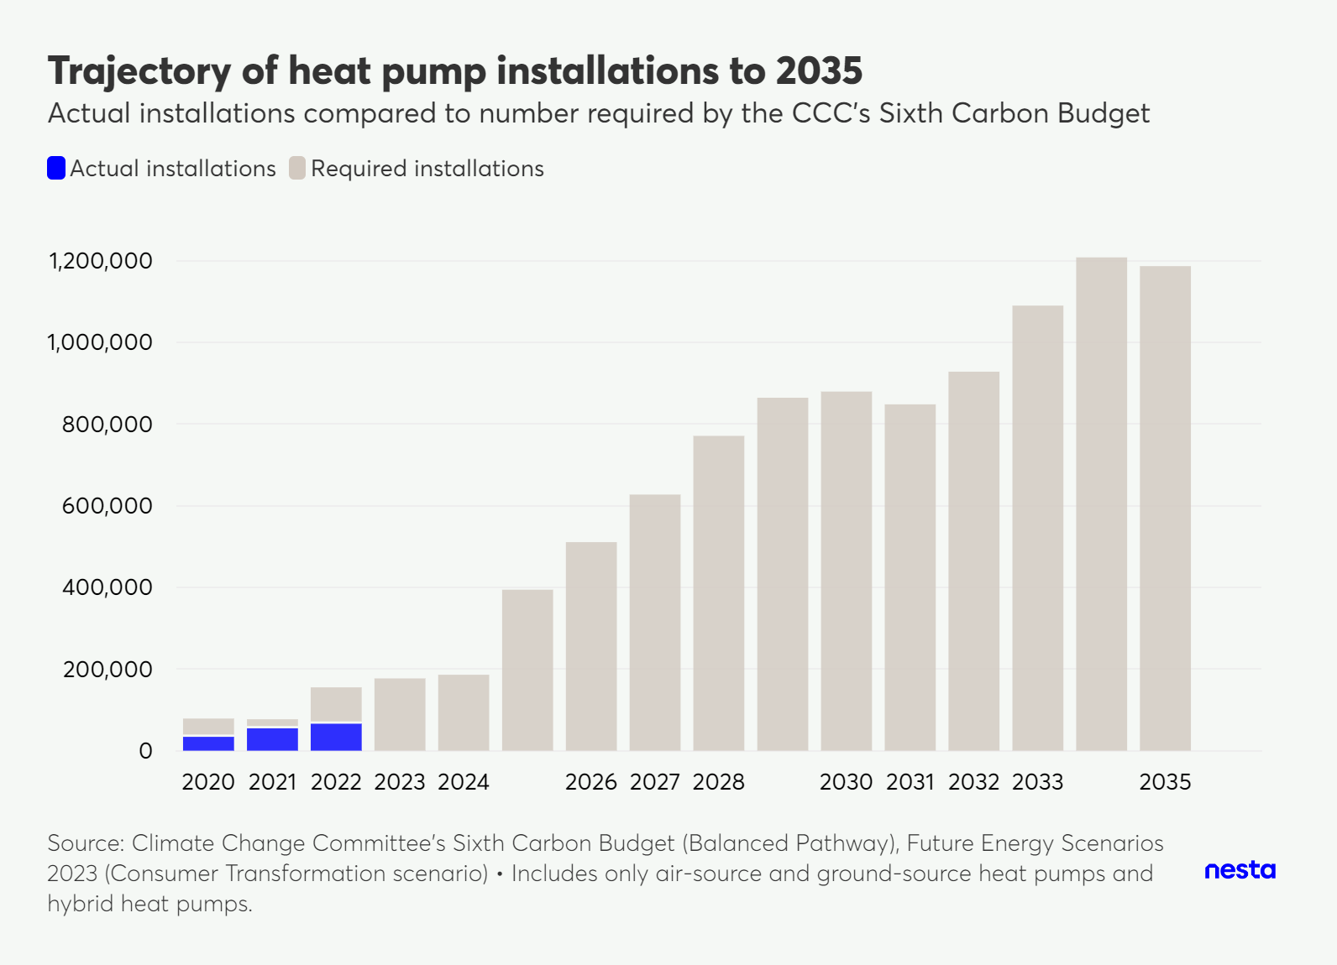

Link to chart
 | Actual installations | Required installations | Difference
2020 | 36,757 | 78,731 | 41,974
2021 | 57,630 | 76,997 | 19,367
2022 | 68,907 | 155,104 | 86,197
2023 | 0 | 177,033
2024 | 0 | 186,015
2025 | 0 | 394,447
2026 | 0 | 510,840
2027 | 0 | 627,427
2028 | 0 | 771,224
2029 | 0 | 864,635
2030 | 0 | 879,776
2031 | 0 | 848,442
2032 | 0 | 928,538
2033 | 0 | 1,090,322
2034 | 0 | 1,208,461
2035 | 0 | 1,187,042

Figure 4
Figure 4. Trajectory of low-carbon heating and fossil boilers to 2050
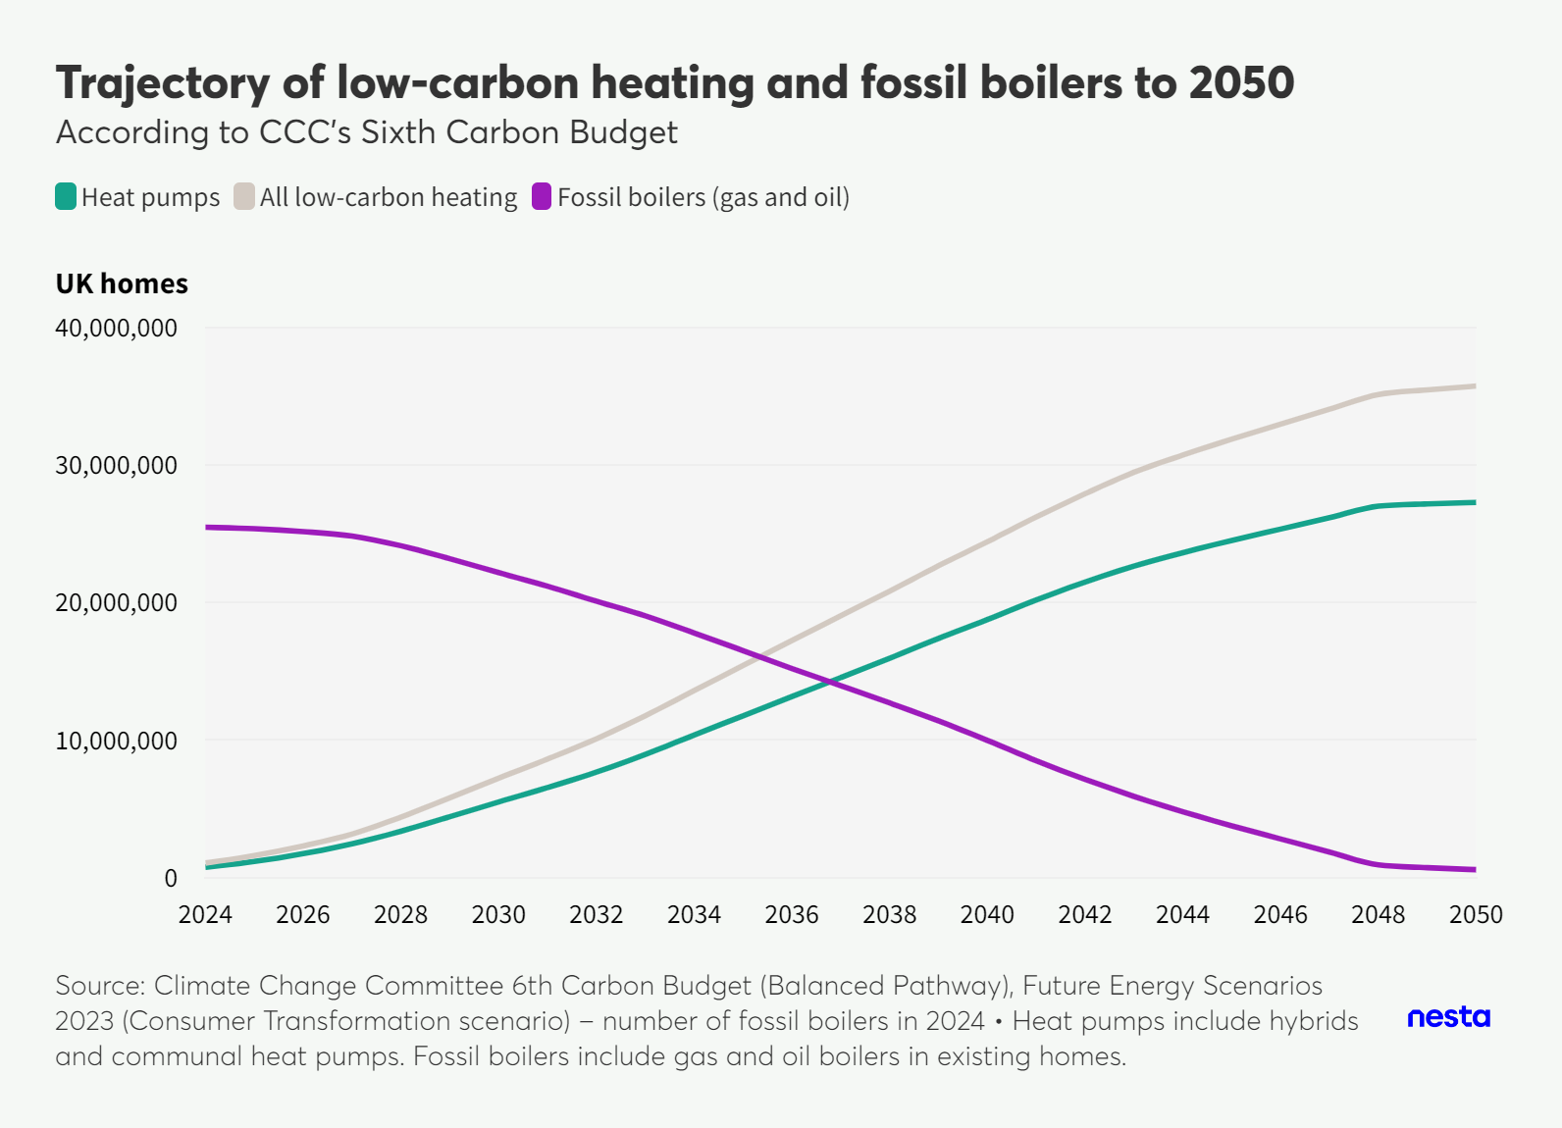

Link to chart
year | Heat pumps | All low-carbon heating | Fossil boilers (gas and oil)
2024 | 743,778 | 1,046,984 | 25,469,380
2025 | 1,158,936 | 1,587,637 | 25,359,008
2026 | 1,728,761 | 2,295,611 | 25,149,386
2027 | 2,444,633 | 3,154,796 | 24,823,138
2028 | 3,361,497 | 4,384,918 | 24,123,650
2029 | 4,420,430 | 5,794,438 | 23,180,839
2030 | 5,494,504 | 7,219,100 | 22,170,615
2031 | 6,537,244 | 8,612,427 | 21,177,807
2032 | 7,660,080 | 10,085,851 | 20,090,513
2033 | 8,948,059 | 11,760,866 | 19,024,245
2034 | 10,361,790 | 13,594,022 | 17,783,837
2035 | 11,754,102 | 15,405,758 | 16,498,584
2036 | 13,157,950 | 17,229,343 | 15,195,631
2037 | 14,538,965 | 19,029,470 | 13,946,599
2038 | 15,940,854 | 20,825,160 | 12,687,146
2039 | 17,390,432 | 22,668,538 | 11,388,617
2040 | 18,753,196 | 24,412,930 | 9,970,340
2041 | 20,185,560 | 26,226,922 | 8,482,464
2042 | 21,486,468 | 27,909,457 | 7,126,044
2043 | 22,640,469 | 29,469,690 | 5,891,927
2044 | 23,621,127 | 30,716,796 | 4,779,369
2045 | 24,514,260 | 31,876,377 | 3,754,336
2046 | 25,337,634 | 32,966,198 | 2,799,063
2047 | 26,160,127 | 34,055,140 | 1,844,670
2048 | 26,999,777 | 35,121,767 | 912,591
2049 | 27,165,043 | 35,460,010 | 708,896
2050 | 27,268,464 | 35,736,409 | 567,046

FES 2023 - number of gas boilers in 2024 (Consumer transformation scenario) |  |  | 24,209,384
FES 2023 - number of oil boilers in 2024 (Consumer transformation scenario) |  |  | 1,259,996

Assumptions:
All district heating and other electrical heating retrofits replace gas or oil boilers.

Figure 5
Figure 5: On-gas grid properties by local authority
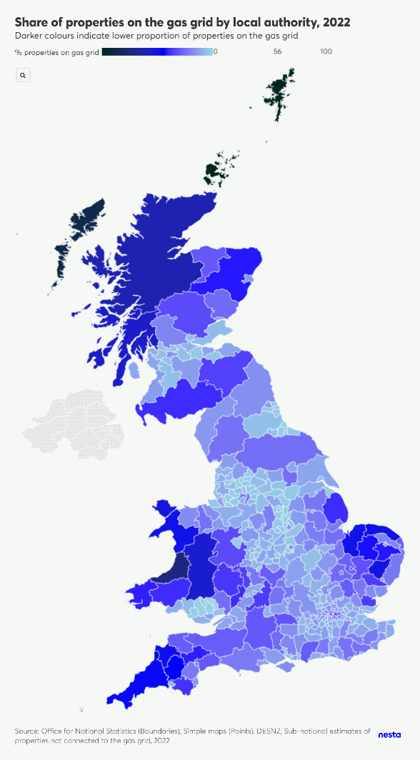

Link to chart

LAD23CD | Name | Value
E06000001 | Hartlepool | 98%
E06000002 | Middlesbrough | 97%
E06000003 | Redcar and Cleveland | 96%
E06000004 | Stockton-on-Tees | 97%
E06000005 | Darlington | 94%
E06000006 | Halton | 96%
E06000007 | Warrington | 96%
E06000008 | Blackburn with Darwen | 97%
E06000009 | Blackpool | 89%
E06000010 | Kingston upon Hull, City of | 94%
E06000011 | East Riding of Yorkshire | 88%
E06000012 | North East Lincolnshire | 96%
E06000013 | North Lincolnshire | 90%
E06000014 | York | 88%
E06000015 | Derby | 95%
E06000016 | Leicester | 85%
E06000017 | Rutland | 81%
E06000018 | Nottingham | 83%
E06000019 | Herefordshire, County of | 63%
E06000020 | Telford and Wrekin | 97%
E06000021 | Stoke-on-Trent | 95%
E06000022 | Bath and North East Somerset | 84%
E06000023 | Bristol, City of | 84%
E06000024 | North Somerset | 88%
E06000025 | South Gloucestershire | 88%
E06000026 | Plymouth | 91%
E06000027 | Torbay | 85%
E06000030 | Swindon | 91%
E06000031 | Peterborough | 91%
E06000032 | Luton | 87%
E06000033 | Southend-on-Sea | 90%
E06000034 | Thurrock | 87%
E06000035 | Medway | 93%
E06000036 | Bracknell Forest | 90%
E06000037 | West Berkshire | 69%
E06000038 | Reading | 80%
E06000039 | Slough | 84%
E06000040 | Windsor and Maidenhead | 86%
E06000041 | Wokingham | 92%
E06000042 | Milton Keynes | 93%
E06000043 | Brighton and Hove | 84%
E06000044 | Portsmouth | 86%
E06000045 | Southampton | 74%
E06000046 | Isle of Wight | 82%
E06000047 | County Durham | 94%
E06000049 | Cheshire East | 89%
E06000050 | Cheshire West and Chester | 90%
E06000051 | Shropshire | 67%
E06000052 | Cornwall | 54%
E06000053 | Isles of Scilly | 0%
E06000054 | Wiltshire | 70%
E06000055 | Bedford | 85%
E06000056 | Central Bedfordshire | 91%
E06000057 | Northumberland | 83%
E06000058 | Bournemouth, Christchurch and Poole | 86%
E06000059 | Dorset | 78%
E06000060 | Buckinghamshire | 84%
E06000061 | North Northamptonshire | 94%
E06000062 | West Northamptonshire | 87%
E06000063 | Cumberland | 85%
E06000064 | Westmorland and Furness | 76%
E06000065 | North Yorkshire | 75%
E06000066 | Somerset | 71%
E07000008 | Cambridge | 81%
E07000009 | East Cambridgeshire | 72%
E07000010 | Fenland | 77%
E07000011 | Huntingdonshire | 85%
E07000012 | South Cambridgeshire | 74%
E07000032 | Amber Valley | 96%
E07000033 | Bolsover | 97%
E07000034 | Chesterfield | 97%
E07000035 | Derbyshire Dales | 79%
E07000036 | Erewash | 96%
E07000037 | High Peak | 94%
E07000038 | North East Derbyshire | 97%
E07000039 | South Derbyshire | 93%
E07000040 | East Devon | 70%
E07000041 | Exeter | 82%
E07000042 | Mid Devon | 59%
E07000043 | North Devon | 71%
E07000044 | South Hams | 62%
E07000045 | Teignbridge | 78%
E07000046 | Torridge | 52%
E07000047 | West Devon | 56%
E07000061 | Eastbourne | 84%
E07000062 | Hastings | 88%
E07000063 | Lewes | 84%
E07000064 | Rother | 76%
E07000065 | Wealden | 76%
E07000066 | Basildon | 90%
E07000067 | Braintree | 77%
E07000068 | Brentwood | 90%
E07000069 | Castle Point | 92%
E07000070 | Chelmsford | 82%
E07000071 | Colchester | 81%
E07000072 | Epping Forest | 86%
E07000073 | Harlow | 94%
E07000074 | Maldon | 64%
E07000075 | Rochford | 92%
E07000076 | Tendring | 83%
E07000077 | Uttlesford | 71%
E07000078 | Cheltenham | 90%
E07000079 | Cotswold | 64%
E07000080 | Forest of Dean | 61%
E07000081 | Gloucester | 91%
E07000082 | Stroud | 84%
E07000083 | Tewkesbury | 89%
E07000084 | Basingstoke and Deane | 83%
E07000085 | East Hampshire | 83%
E07000086 | Eastleigh | 94%
...

Figure 6
Figure 6: Total consumer spending on gas and residential heat demand supplied by gas
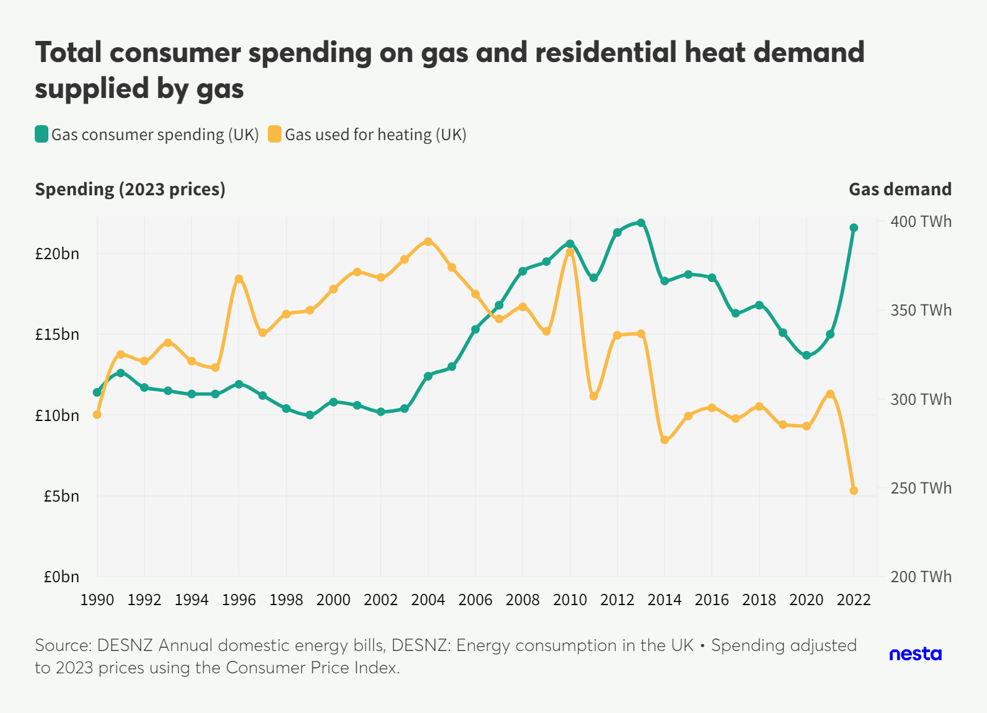

Link to chart
 | Gas used for heating (UK) - TWh | Gas consumer spending £bn (UK) - 2023 prices
1990 | 291 | £11.40
1991 | 325 | £12.60
1992 | 321 | £11.70
1993 | 332 | £11.50
1994 | 321 | £11.30
1995 | 318 | £11.30
1996 | 368 | £11.90
1997 | 337 | £11.20
...

Figure 7
Figure 7. Trends in fuel poverty within the UK
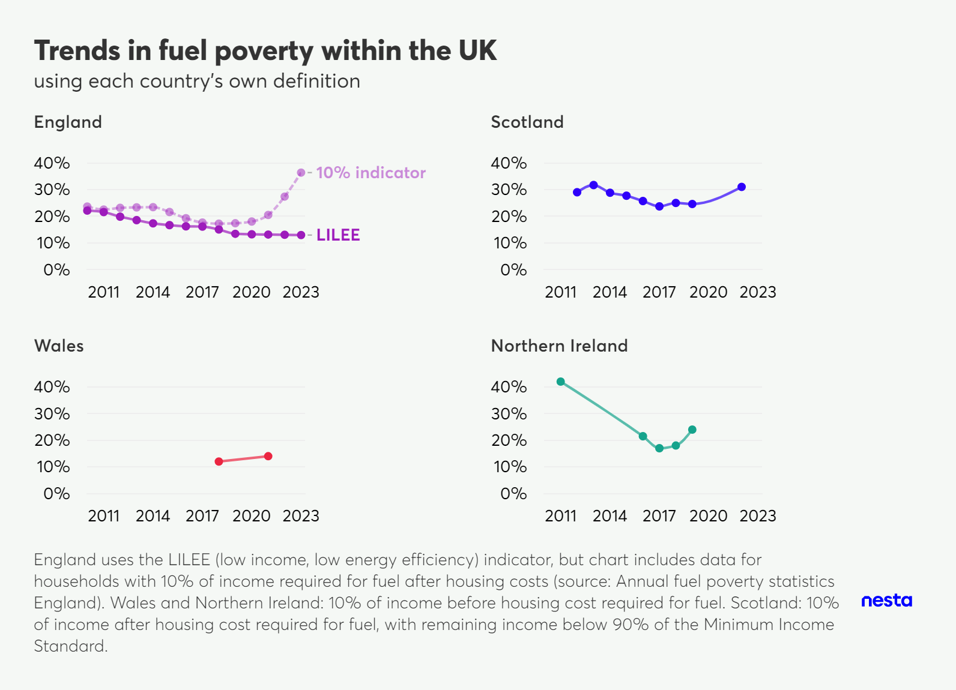

Link to chart
 | England (LILEE) | England (10%) | Scotland | Wales (estimates) | Northern Ireland
2010 | 22% | 24%
2011 | 22% | 22% |  |  | 42%
2012 | 20% | 23% | 29%
2013 | 19% | 23% | 32%
2014 | 17% | 23% | 29%
2015 | 17% | 22% | 28%
2016 | 16% | 19% | 26% |  | 22%
...

Figure 8
Figure 8. Heat and energy efficiency measures supported by UK Government schemes, 2008–2023
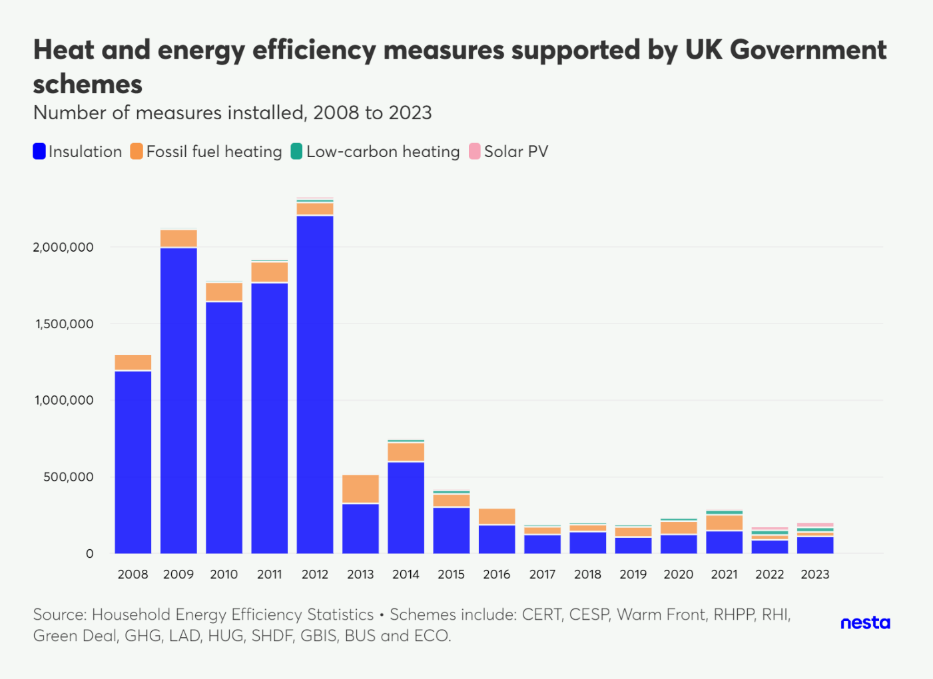

Link to chart

Year | Insulation | Fossil fuel heating | Low-carbon heating | Solar PV
2008 | 1,193,478 | 108,240 | 9,653 | 20
2009 | 1,997,573 | 118,641 | 11,524 | 27
2010 | 1,643,995 | 126,692 | 12,104 | 27
2011 | 1,768,221 | 136,158 | 13,860 | 1,463
2012 | 2,206,968 | 83,737 | 21,441 | 10,602
2013 | 327,161 | 189,923 | 6,651 | 392
2014 | 599,696 | 124,715 | 21,783 | 2,245
...

Figure 10
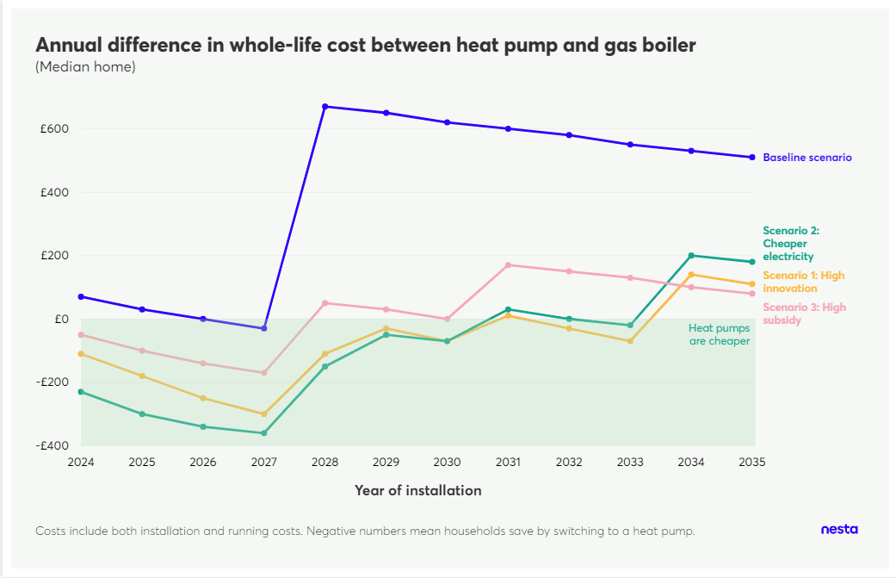
Figure 10. Scenarios to reach lifetime cost parity between heat pumps and gas boilers
#

Link to chart

 | Baseline scenario | Scenario 1: High Innovation | Scenario 2: Cheaper electricity | Scenario 3: High subsidy
2024 | £70 | -£110 | -£230 | -£50
2025 | £30 | -£180 | -£300 | -£100
2026 | £0 | -£250 | -£340 | -£140
2027 | -£30 | -£300 | -£360 | -£170
2028 | £670 | -£110 | -£150 | £50
2029 | £650 | -£30 | -£50 | £30
2030 | £620 | -£70 | -£70 | £0
...

Figure 11
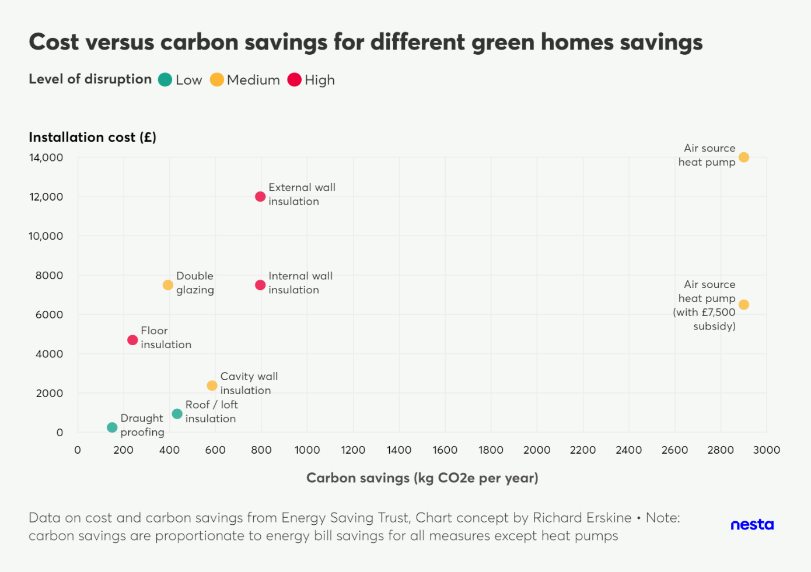
Figure 11: The cost of home upgrade measures relative to their potential carbon savings
#

Link to chart

Measure | Carbon saving (kg CO2e/year) | Cost | Level of disruption
Roof / loft insulation | 433 | £945 | Low
Double glazing | 393 | £7,500 | Medium
Floor insulation | 239 | £4,700 | High
Cavity wall insulation | 585 | £2,380 | Medium
Draught proofing | 150 | £250 | Low
Internal wall insulation | 795 | £7,500 | High
External wall insulation | 795 | £12,000 | High
...

Figure 14
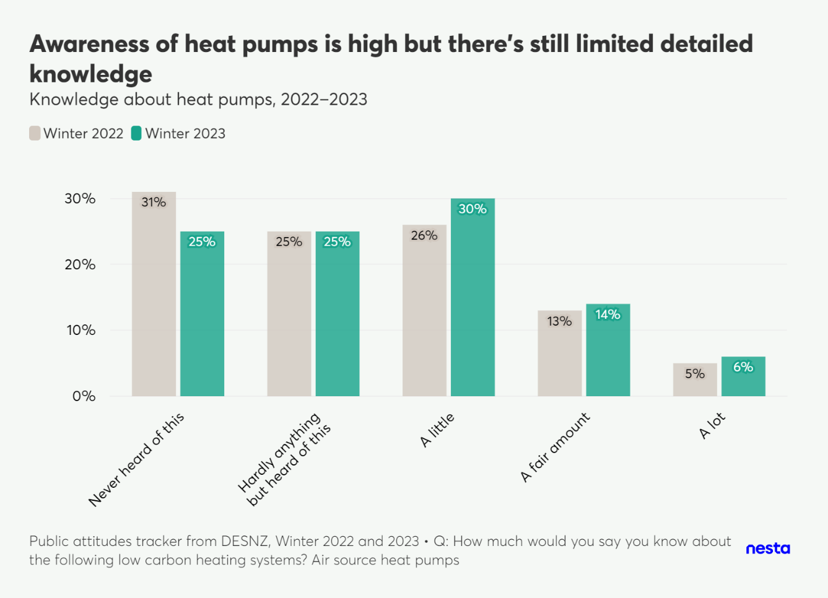
Figure 14: Public awareness of air-source heat pumps
#

Link to chart

Answer | Winter 2022 | Winter 2023
Never heard of this | 31 | 25
Hardly anything but heard of this | 25 | 25
A little | 26 | 30
A fair amount | 13 | 14
A lot | 5 | 6

Figure 15
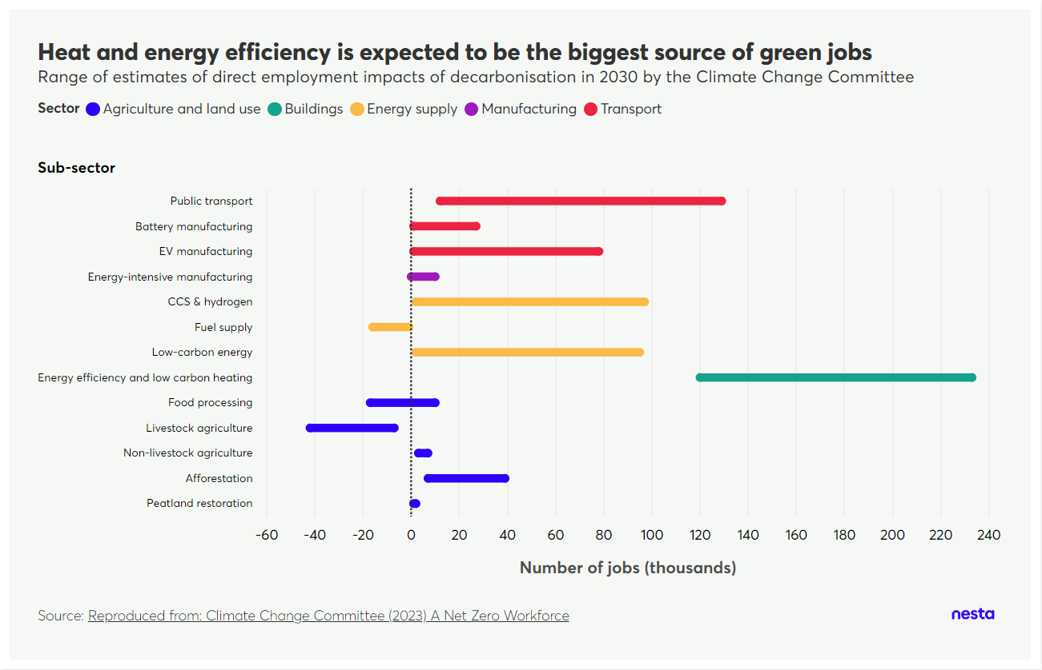
Figure 15. Projected UK labour force growth in net zero sectors by 2030
#

Link to chart
 |  | Change in # of jobs (thousand)
Sector | Sub-sector | Lower range | Upper range
Agriculture and land use | Peatland restoration | 0.56 | 2.23
 | Afforestation | 6.60 | 39.00
 | Non-livestock agriculture | 2.50 | 6.50
 | Livestock agriculture | -42.45 | -6.93
 | Food processing | -16.79 | 10.00
 | Energy efficiency and low carbon heating | 29.37 | 233.35
Energy supply | Low-carbon energy | 2.49 | 95.40
...

